Backend_Models
Models
 | Table Columns | Attributes | Methods | Class Diagrams
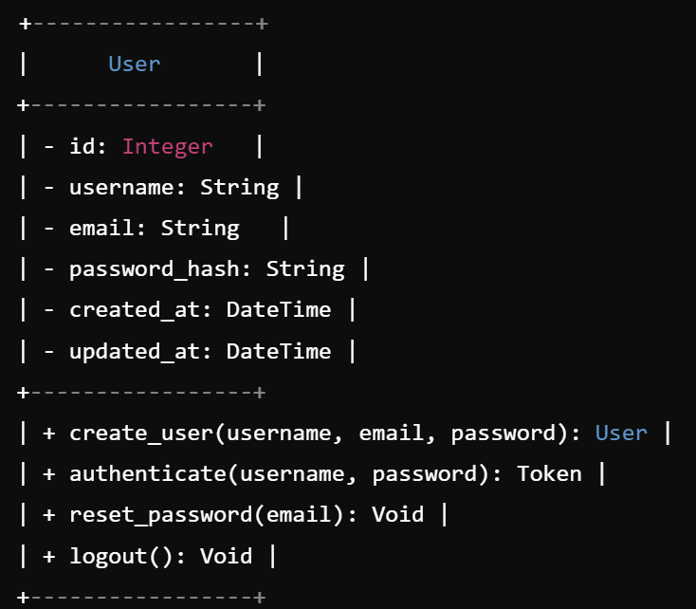
User
 | id | id | createuser(username,email,password)
 | username | username | authenticate(username,password)
 | first_name | first_name | reset_password(email,password)
 | last_name | last_name | logout()
 | email | email
 | password | password
 | created_at | created_at
 | updated_at | updated_at

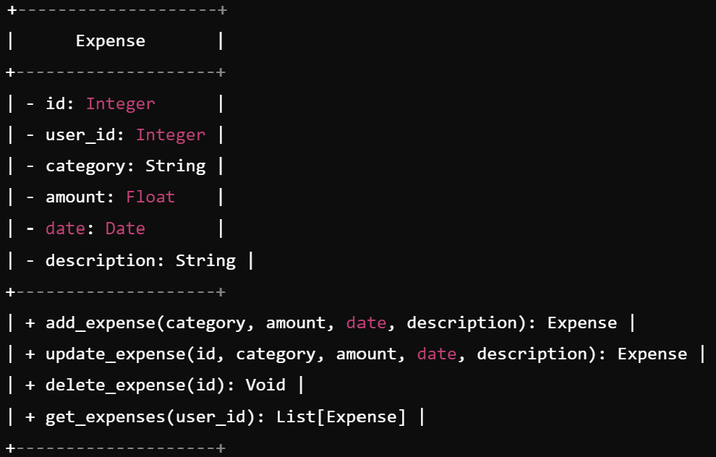
Expenses
 | id | id | add_expense(category, amount, date, description)
 | user_id | user_id | update_expense(id, category, amount, date, description)
 | category | category | delete_expense(id)
 | amount | amount | get_expenses(user_id)
 | date | date
 | description | description

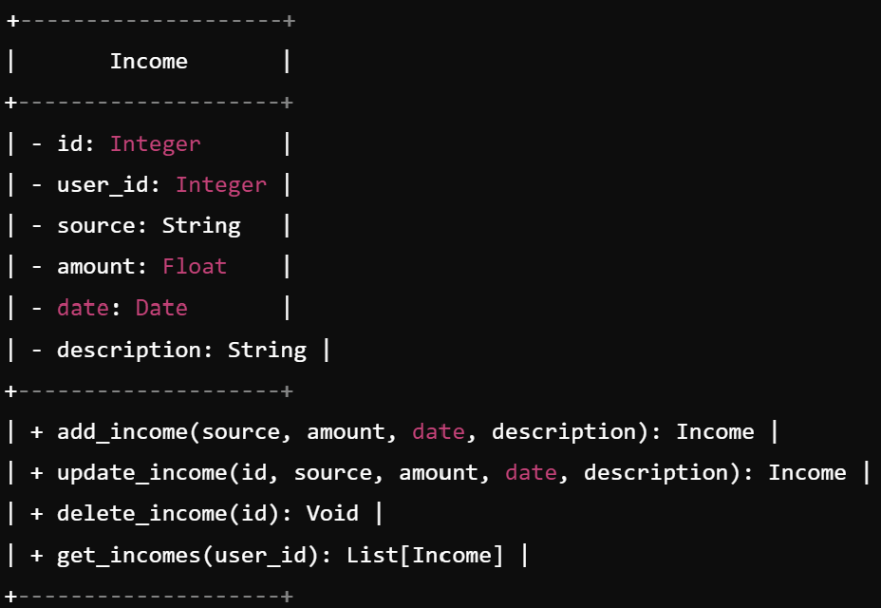
Income
 | id | id | add_income(source, amount, date, description
 | user_id | user_id | update_income(id, source, amount, date, description)
 | source | source | delete_income(id)
 | amount | amount | get_incomes(user_id)
 | date | date
 | description | description

Database_Design
Table name |  | Properties

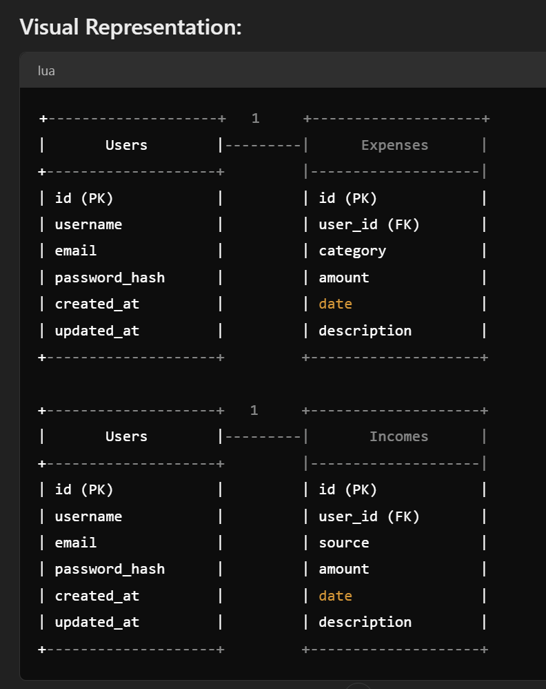
User
 | id | PK
 | username |  | char = 255 | Unique = True | Null = False
 | first_name |  | char = 255 |  | Null = False
 | last_name |  | char = 255 |  | Null = False
 | email |  | char = 255 | Unique = True | Null = False
 | password |  | char = 255 |  | Null = False
 | created_at |  |  |  |  | default = current_timestamp
 | updated_at |  |  |  |  | default = current_timestamp | Update = True

Expenses
 | id | PK
 | user_id | Foreign Key = User
 | category |  | char = 255 | Unique = True | Null = False
 | amount |  | decimal = 2
 | date
 | description |  | char = 255

Income
 | id | PK
 | user_id | Foreign Key = User
 | source |  | char = 255 | Unique = True | Null = False
 | amount |  | decimal = 2
 | date
 | description |  | char = 255

